Location Plan & Summary
Intelligent Data Collection Limited

Client: | Bristol City Council |  |  | Date of Survey: |  | 09.07.2015
Project Number: | ID02343 |  |  | Site Name: |  | Devon Road
Site Number: | ANPR Site 26 |  |  | Survey Type: |  | Two-way Link Count

X Coordinate |  | Y Coordinate |  |  | Google Maps Link
51.46466 |  | -2.557541 |  |  | Click Here
AM Peak Conditions |  | Inter-Peak Conditions |  |  | PM Peak Conditions
Clear and Sunny |  | Clear and Sunny |  |  | Clear and Sunny
Junction Layout

N

 |  |  |  |  |  | Arm B - Devon Road (N)

 |  |  | Arm A - Devon Road (S)

Aerial Mapping and On-site Camera View
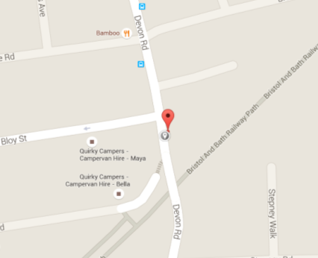

Arm A - Devon Road (S)

Arm B - Devon Road (N)

Junction Flow Profile
Arm Approach Flows (All Vehicles)
 | A to B (Northbound) | B to A (Southbound) | Two-way Total
7:00:00 | 28 | 19 | 47
7:15:00 | 58 | 23 | 81
7:30:00 | 81 | 32 | 113
7:45:00 | 90 | 38 | 128
8:00:00 | 79 | 50 | 129
8:15:00 | 103 | 46 | 149
8:30:00 | 102 | 70 | 172
8:45:00 | 87 | 68 | 155
9:00:00 | 85 | 37 | 122
9:15:00 | 55 | 36 | 91
9:30:00 | 53 | 40 | 93
9:45:00 | 72 | 37 | 109
10:00:00 | 59 | 45 | 104
10:15:00 | 47 | 39 | 86
10:30:00 | 45 | 38 | 83
10:45:00 | 47 | 51 | 98
11:00:00 | 51 | 32 | 83
11:15:00 | 49 | 34 | 83
11:30:00 | 56 | 33 | 89
11:45:00 | 52 | 39 | 91
12:00:00 | 46 | 36 | 82
12:15:00 | 45 | 40 | 85
12:30:00 | 44 | 39 | 83
12:45:00 | 52 | 35 | 87
13:00:00 | 42 | 57 | 99
13:15:00 | 41 | 46 | 87
13:30:00 | 44 | 36 | 80
13:45:00 | 60 | 44 | 104
14:00:00 | 53 | 34 | 87
14:15:00 | 42 | 41 | 83
14:30:00 | 52 | 41 | 93
14:45:00 | 53 | 46 | 99
15:00:00 | 53 | 62 | 115
15:15:00 | 74 | 56 | 130
15:30:00 | 86 | 66 | 152
15:45:00 | 74 | 48 | 122
16:00:00 | 63 | 61 | 124
16:15:00 | 59 | 49 | 108
16:30:00 | 53 | 60 | 113
16:45:00 | 65 | 60 | 125
17:00:00 | 68 | 49 | 117
17:15:00 | 80 | 66 | 146
17:30:00 | 64 | 70 | 134
17:45:00 | 54 | 66 | 120
18:00:00 | 57 | 62 | 119
18:15:00 | 62 | 43 | 105
18:30:00 | 61 | 55 | 116
18:45:00 | 71 | 57 | 128

Additional Notes (Factors which may impact on survey results such as accidents, roadworks, special events):

